Register
b
baseUrl |  | https://bookcart.azurewebsites.net

Test ID | Test scenario | Test Description | Pre- condition | Method | Url | Actions | Input data | Expected result | Actual result | Status | Comment
TC_RG_001 | Create a new account succesfully | Verify register a new account with valid data |  | Post | {{baseUrl}}/api/User | Send a POST request to the API endpoint with the provided request body. | Request body { "userId": 0, "firstName": "hang", "lastName": "nguyen", "username": "nth123", "password": "hang1203", "gender": "female", "userTypeId": 0 } | Status code : 200 OK | 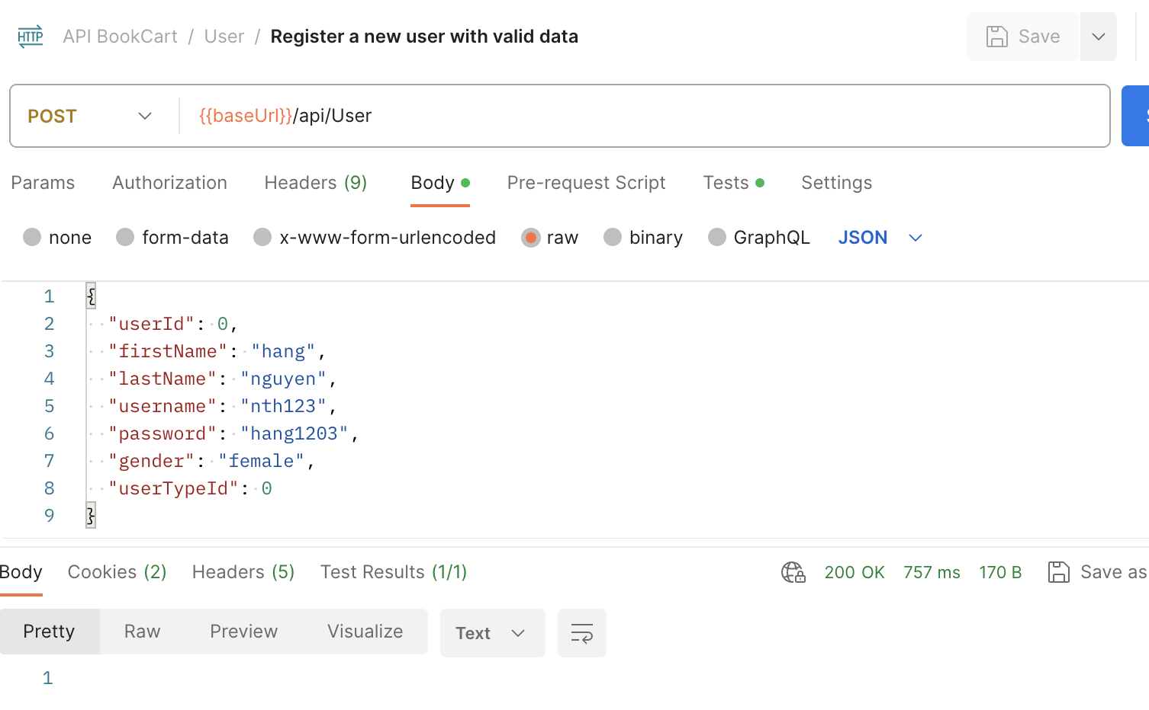 | PASS
TC_RG_002 | Create a new account unsuccesfully | Verify register a new account with invalid data |  | Post | {{baseUrl}}/api/User | Send a POST request to the API endpoint with the provided request body. | Request body { "userId": -1, "firstName": "", "lastName": "nguyen", "username": "", "password": "hang1203", "gender": "female", "userTypeId": 0 } | Satus code: 400 Bad Request | 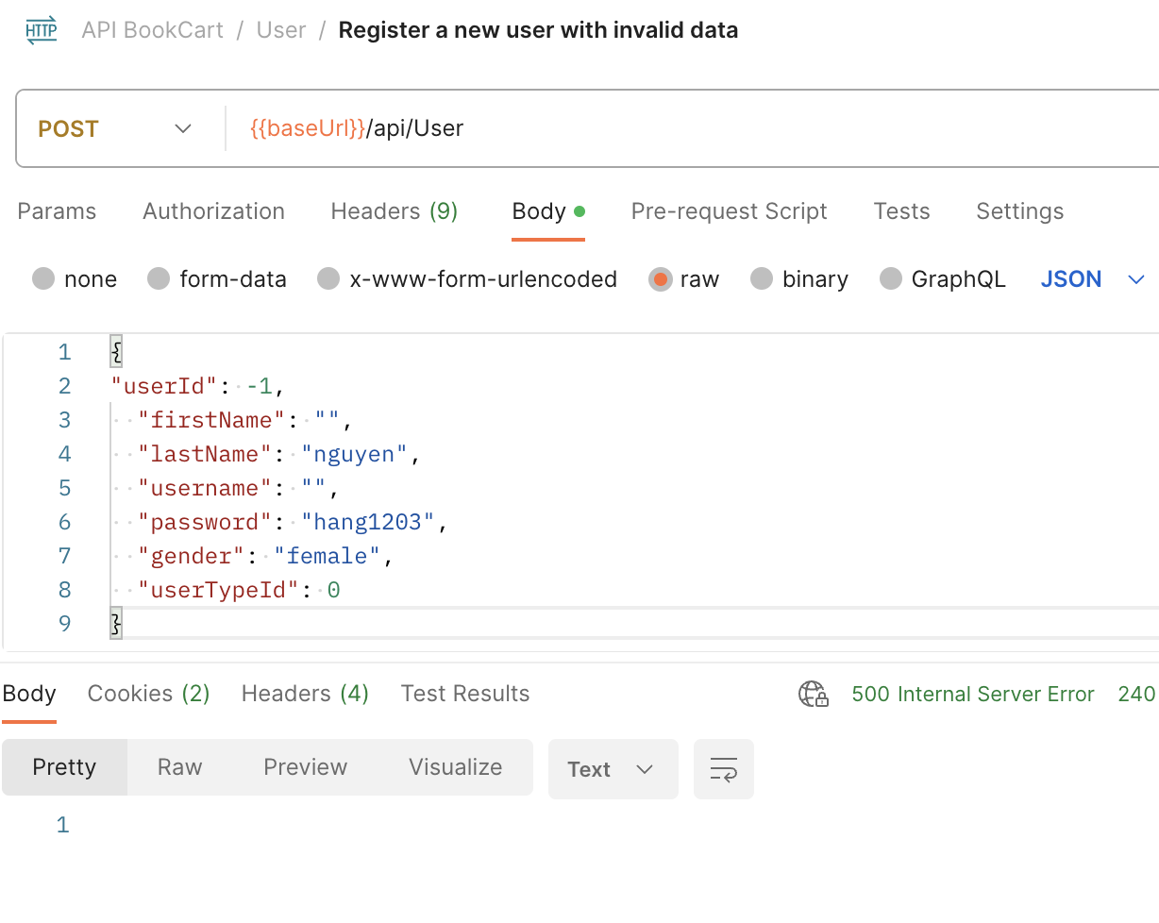 Status code : 500 Internal server error | FAIL
TC_RG_003 |  | Verify register a new account with missing fields |  | Post | {{baseUrl}}/api/User | Send a POST request to the API endpoint with the provided request body. | Request body { "userId": 0, "username": "nth123", "password": "hang1203", "gender": "female", "userTypeId": 0 } | Satus code: 400 Bad Request | 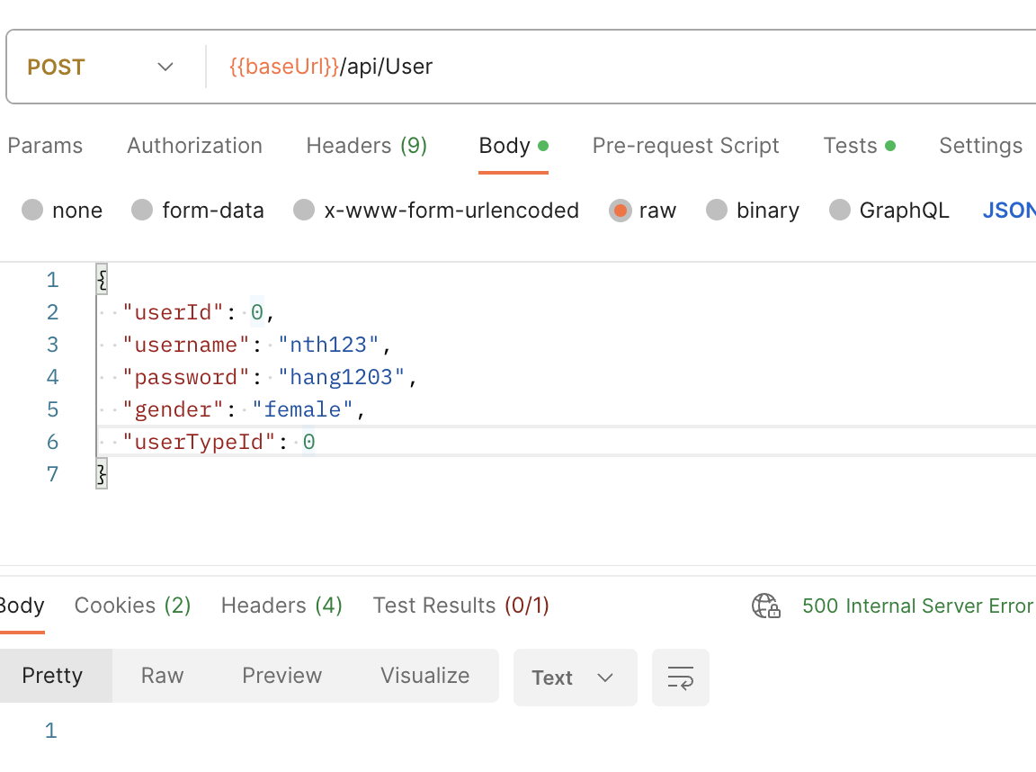 Status code : 500 Internal server error | FAIL
TC_RG_004 |  | Verify register a new account with exsiting account |  | Post | {{baseUrl}}/api/User | Send a POST request to the API endpoint with the provided request body. | Request body { "userId": 0, "firstName": "hang", "lastName": "nguyen", "username": "nth123", "password": "hang1203", "gender": "female", "userTypeId": 0 } | Status code : 409 Conflict | Status code : 200 OK | FAIL
TC_RG_005 | Validate the avalability of username | Verify the exsiting username | Account exist in the database | Get | {{baseUrl}}/api/User/validateUserName/:userName | Send a GET request to the API endpoint with the provided params. | Path params: username = "nth123" | - Status code: 200 OK - Response body: True | 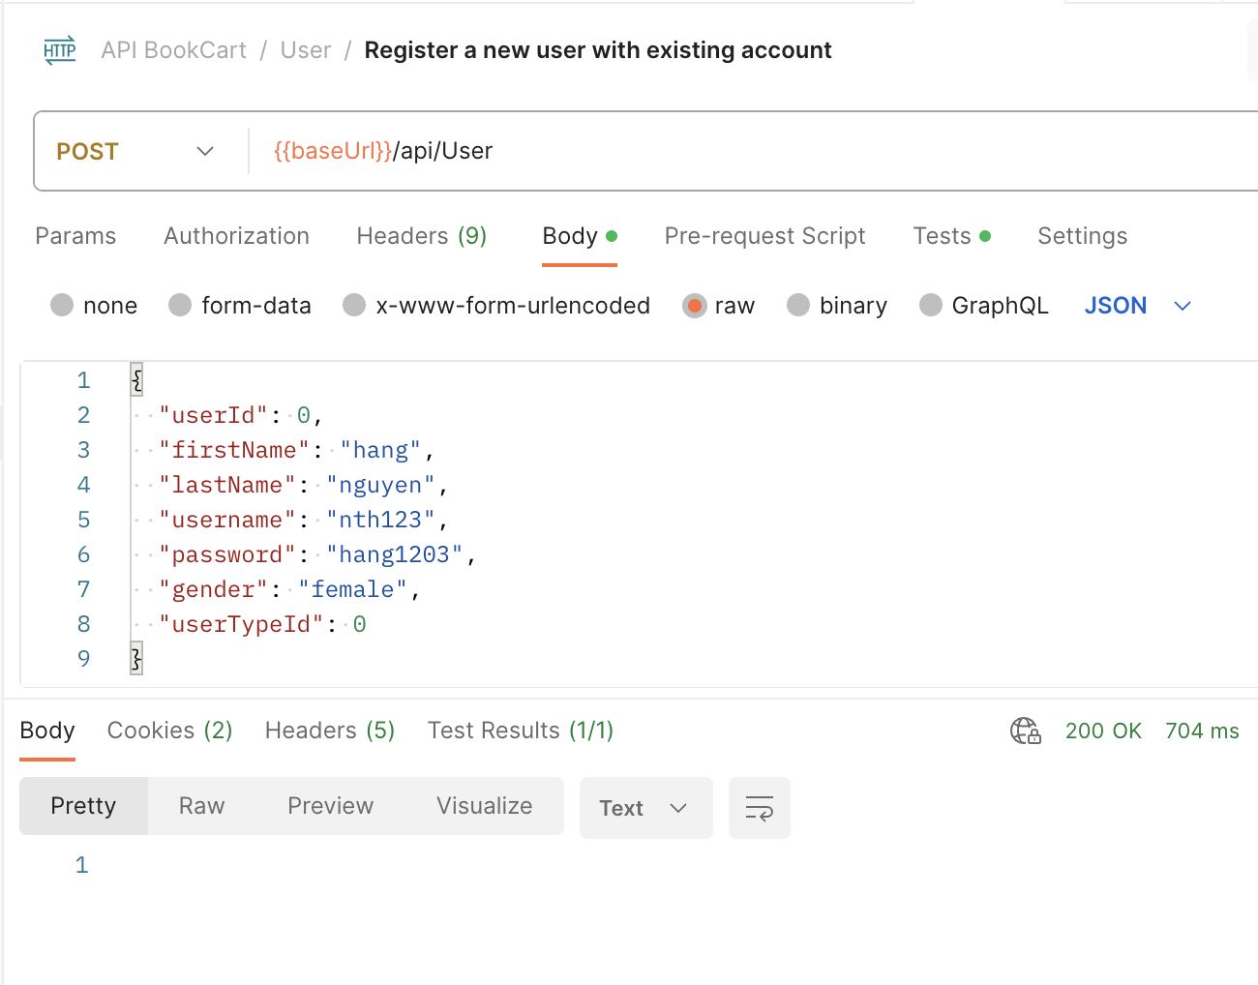 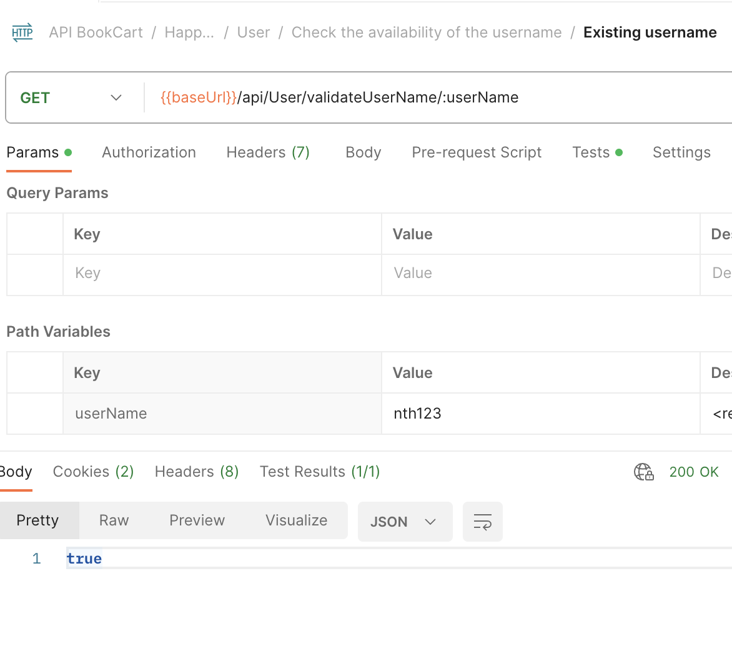 | PASS
TC_RG_006 |  | Verify the non-exisiting username |  | Get | {{baseUrl}}/api/User/validateUserName/:userName | Send a GET request to the API endpoint with the provided params. | Path params: username = "nth724" | - Status code: 200 OK - Response body: False | 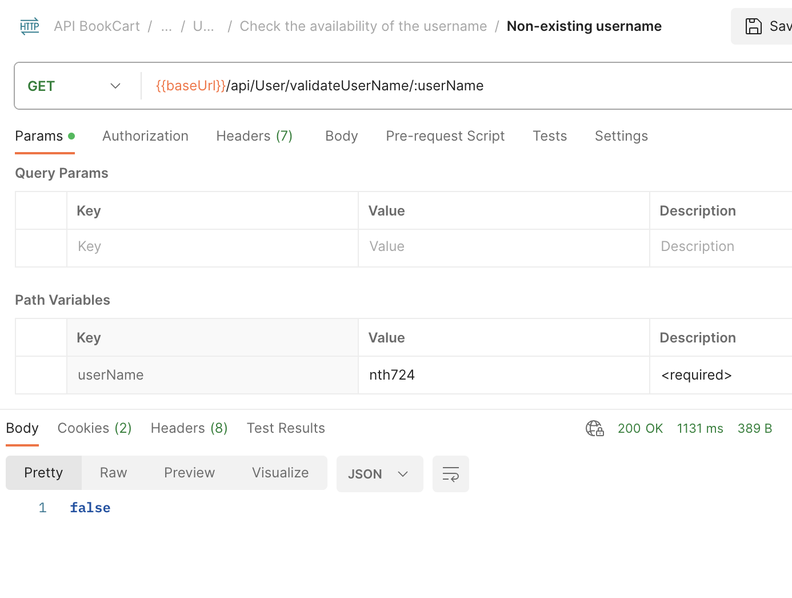 | PASS

URL check
baseUrl |  | https://bookcart.azurewebsites.net

Test ID | Test scenario | Test Description | Pre- condition | Method | Url | Actions | Input data | Expected result | Actual result | Status | Comment
TC_URL | Check URL | Verify URL works |  | Get | {{baseUrl}} | Send a GET request to the API endpoint |  | Status code : 200 OK | 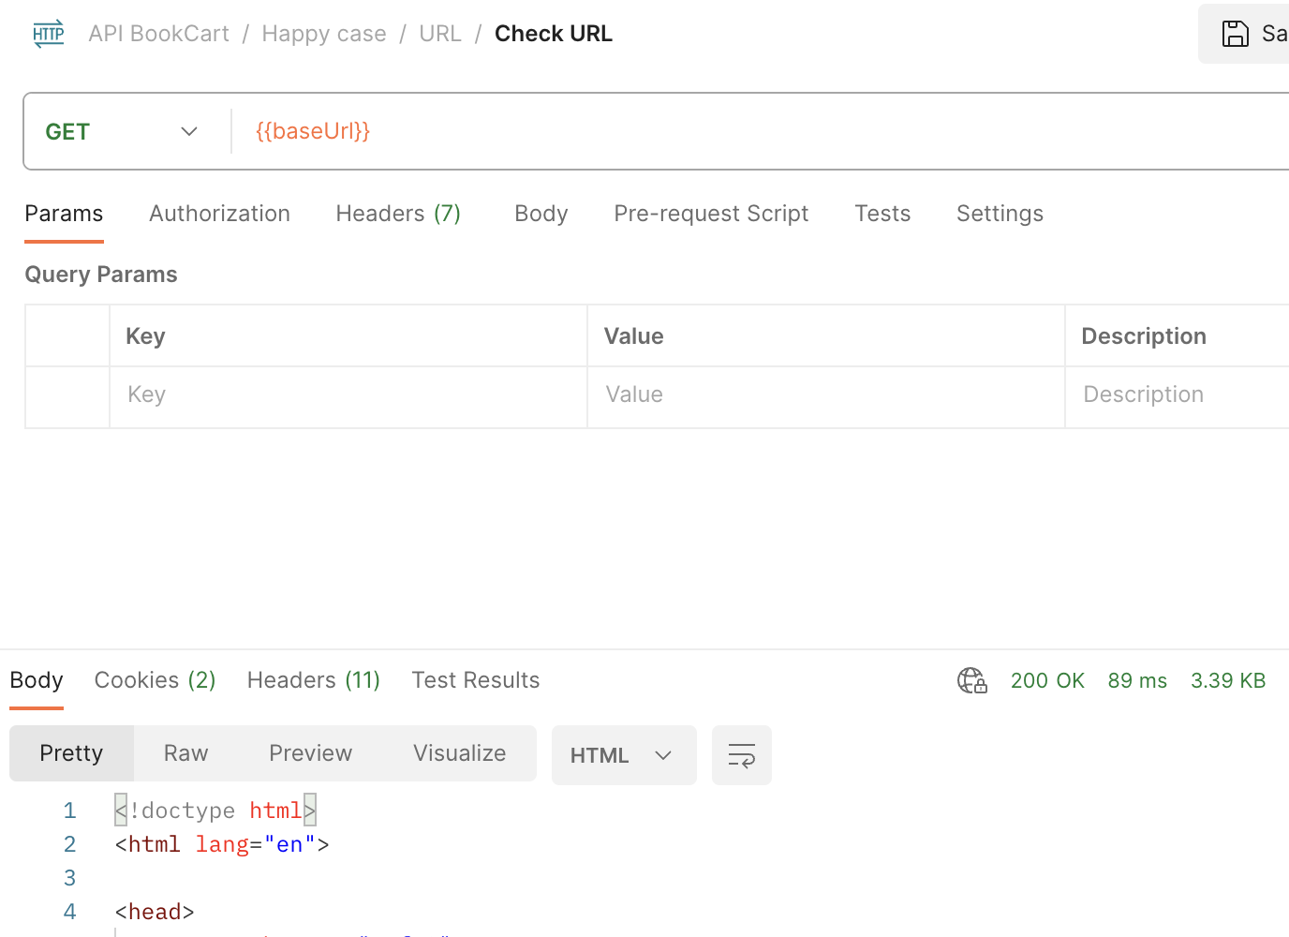 | Pass

Login
baseUrl |  | https://bookcart.azurewebsites.net/

Test ID | Test scenario | Test Description | Pre- condition | Method | Url | Actions | Input data | Expected result | Actual result | Status | Comment
TC_LG_001 | Login succesfully | Verify login with valid data | The account exits in the database | Post | {{baseUrl}}/api/Login | Send a POST request to the API endpoint with the provided request body. | Request body: { { "userId": 0, "firstName": "hang", "lastName": "nguyen", "username": "nth123", "password": "hang1203", "gender": "female", "userTypeId": 0 } | -Status code: 200 OK -Response body: json contain: + token + "userDetails": { "userId": "integer", "firstName": null, "lastName": null, "username": "nth123", "password": null, "gender": null, "userTypeId": "integer" } |  | PASS
TC_LG_002 | Login unsuccesfully | Verify login with wrong username |  | Post | {{baseUrl}}/api/Login | Send a POST request to the API endpoint with the provided request body. | Request body: { "userId": 0, "firstName": "hang", "lastName": "nguyen", "username": "nth724", "password": "hang1203", "gender": "female", "userTypeId": 0 } | Status code : 401 Unauthorized |  | PASS
TC_LG_003 |  | Verify login with wrong password |  | Post | {{baseUrl}}/api/Login | Send a POST request to the API endpoint with the provided request body. | Request body: { "userId": 0, "firstName": "hang", "lastName": "nguyen", "username": "nth123", "password": "hang123", "gender": "female", "userTypeId": 0 } | Status code : 401 Unauthorized | 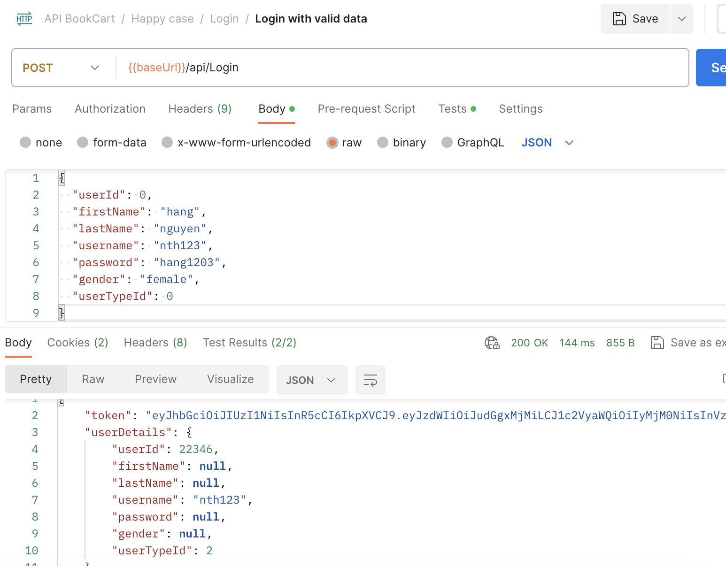 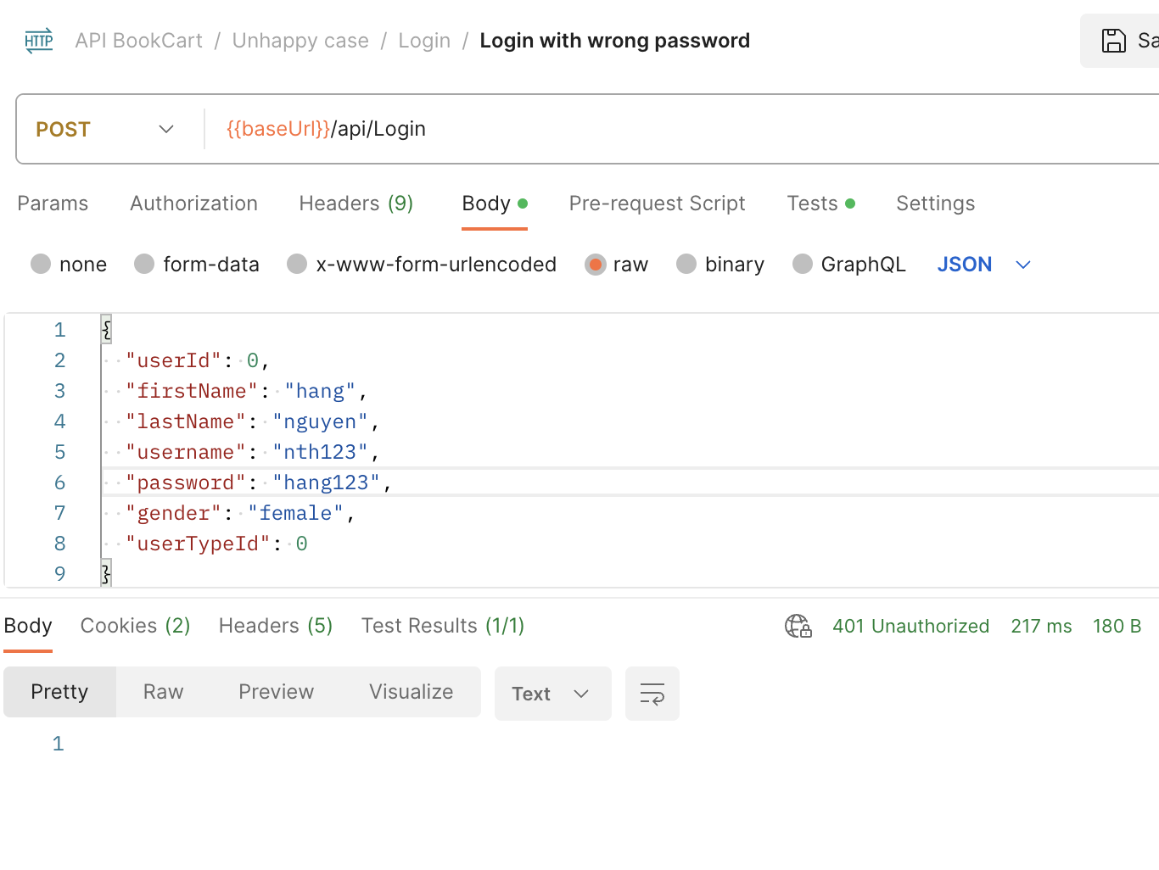 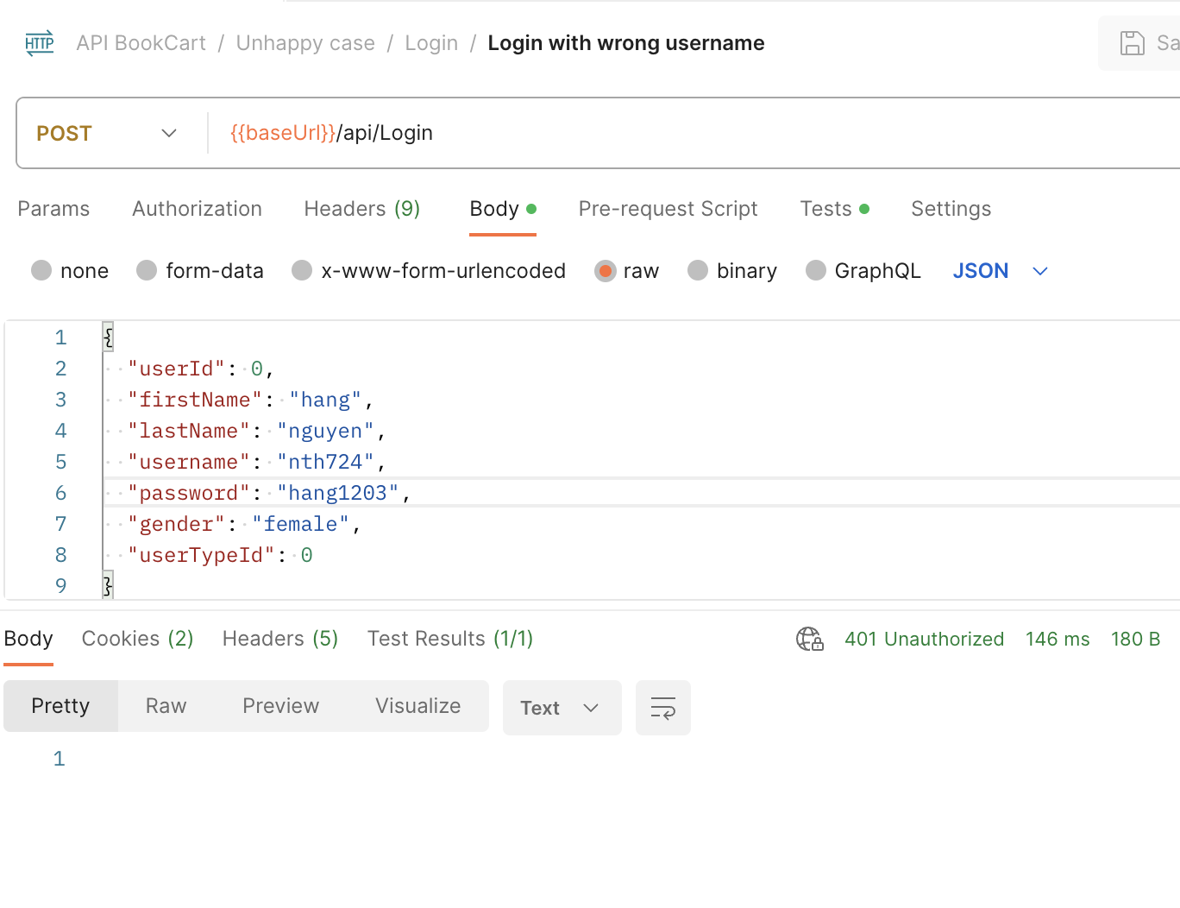 | PASS
TC_LG_004 |  | Verify login with missing fields |  | Post | {{baseUrl}}/api/Login | Send a POST request to the API endpoint with the provided request body. | Request body: { "userId": 0, "firstName": "hang", "lastName": "nguyen", "username": "nth123", "gender": "female", "userTypeId": 0 } | Status code : 400 Bad Request or 401 Unauthorized | 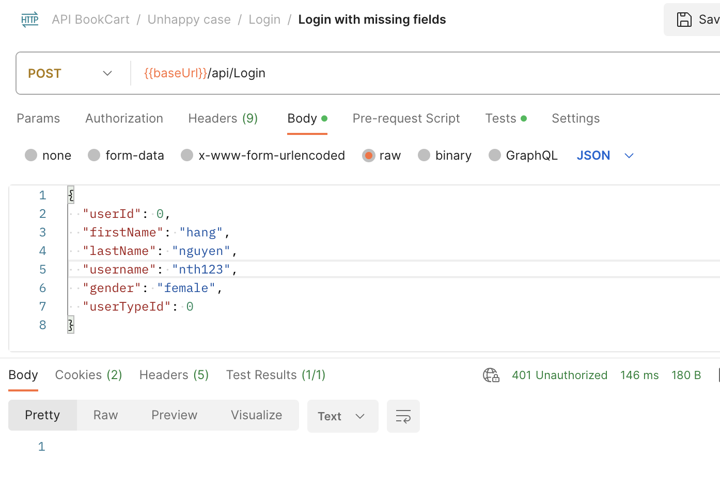 | PASS

Book
baseUrl |  | https://bookcart.azurewebsites.net/

Test ID | Test scenario | Test Description | Pre- condition | Method | Url | Actions | Input data | Expected result | Actual result | Status | Comment
TC_Book_001 | Getting book information successfully | Verify get the list of available book |  | Get | {{baseUrl}}/api/Book | Send a GET request to the API endpoint |  | - Status code: 200 OK - Response body: list of books with detail information | 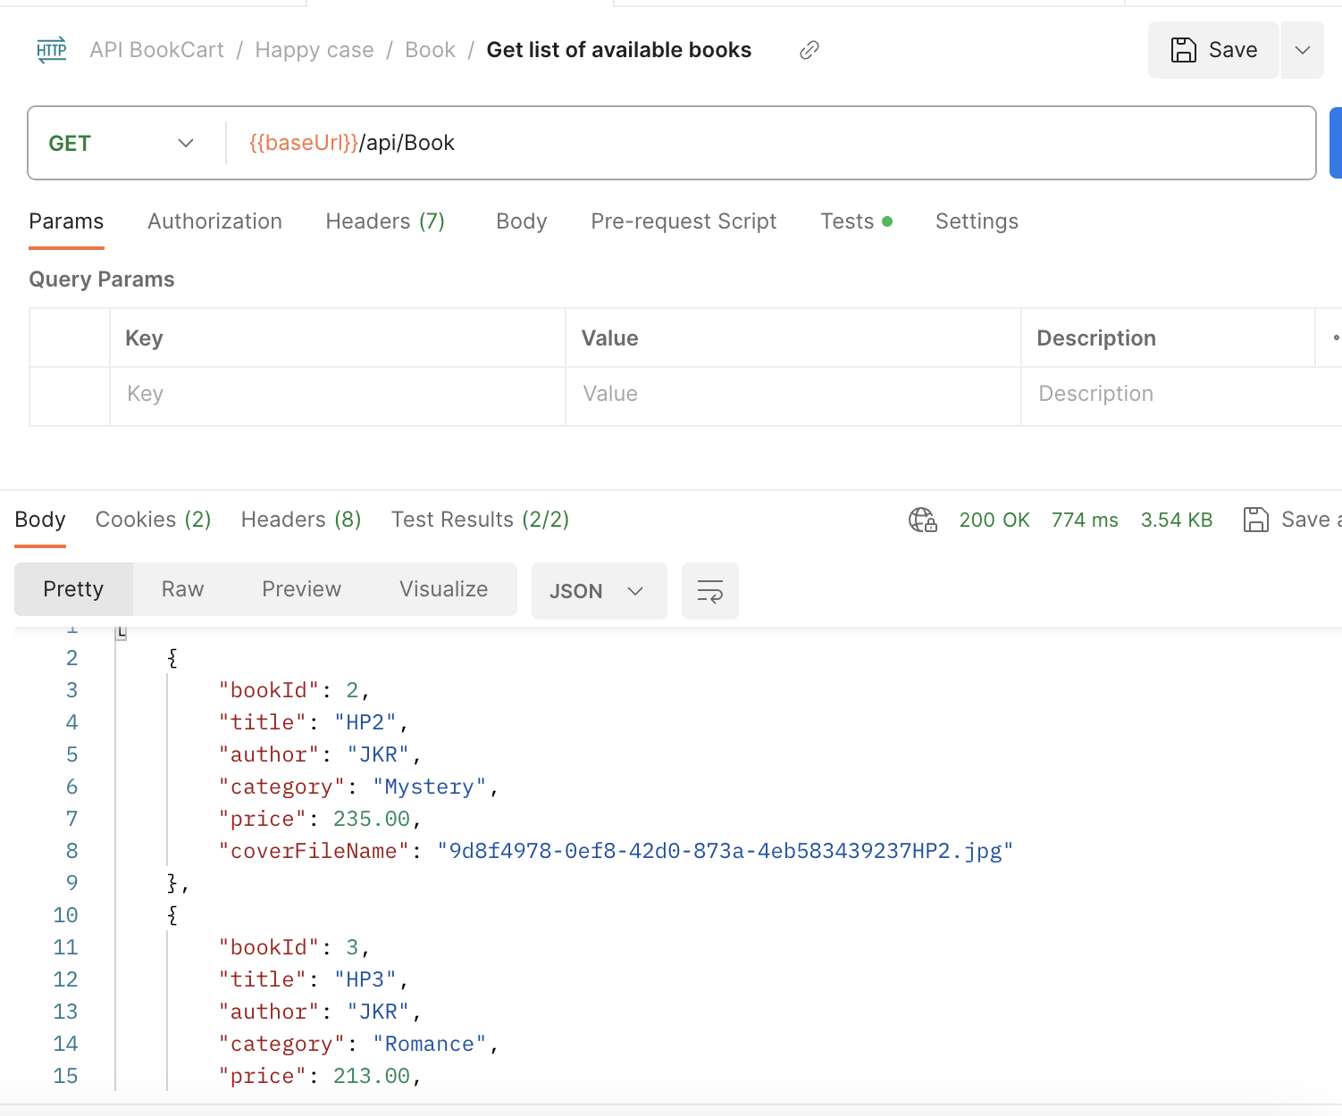 | PASS
TC_Book_002 |  | Verify get the list of available categories |  | Get | {{baseUrl}}/api/Book/GetCategoriesList | Send a GET request to the API endpoint |  | - Status code: 200 OK - Response body: list of book categories | 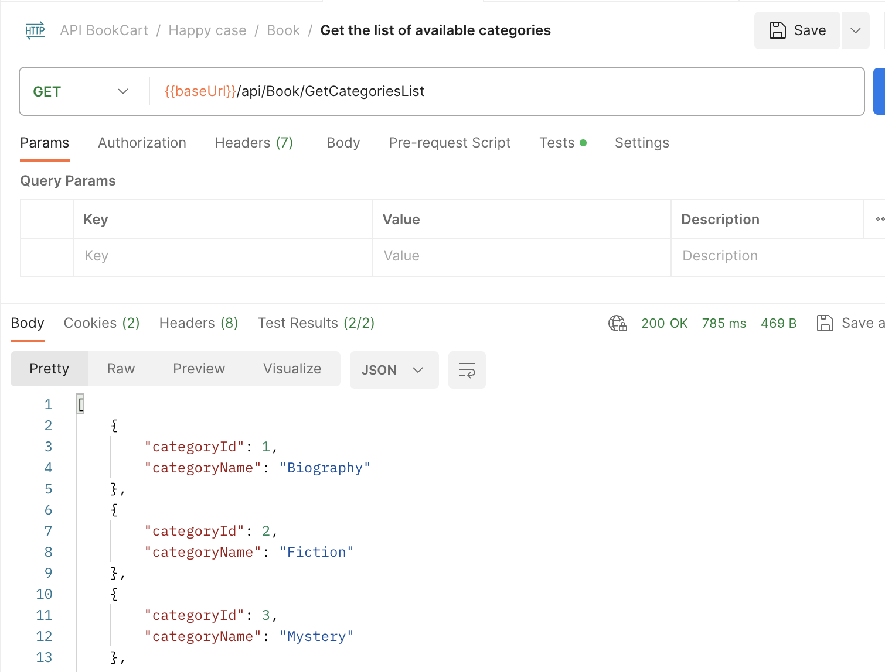 | PASS
TC_Book_003 |  | Verify get the specific book with valid BookID |  | Get | {{baseUrl}}/api/Book/:id | Send a GET request to the API endpoint with provided params | Path params: BookID = 3 | - Status code: 200 OK - Response body: book corresponding to BookID | 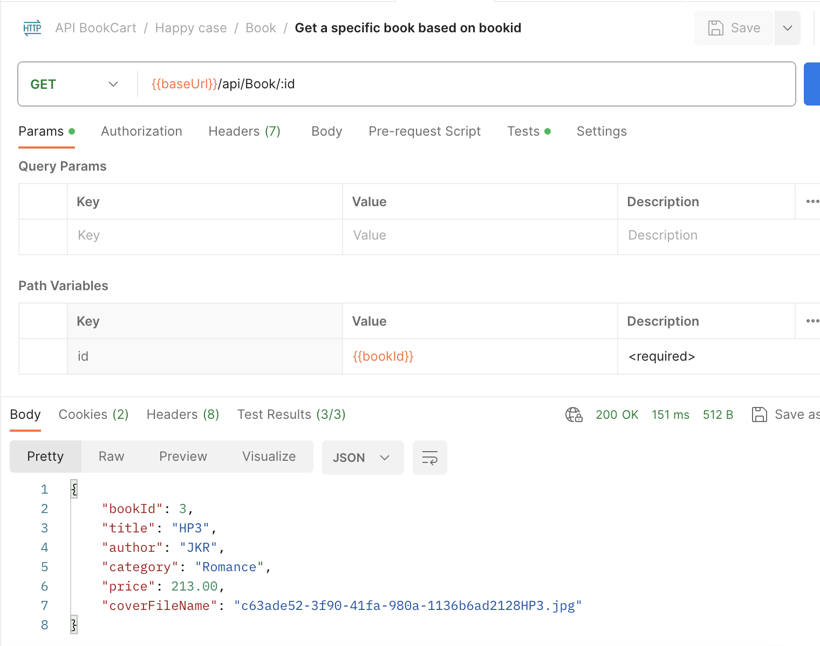 | PASS
TC_Book_004 |  | Verify get similar books based on BookID |  | Get | {{baseUrl}}/api/Book/GetSimilarBooks/:bookId | Send a GET request to the API endpoint with provided params | Path params: BookID = 3 | - Status code: 200 OK - Response body: list of corresponding books | 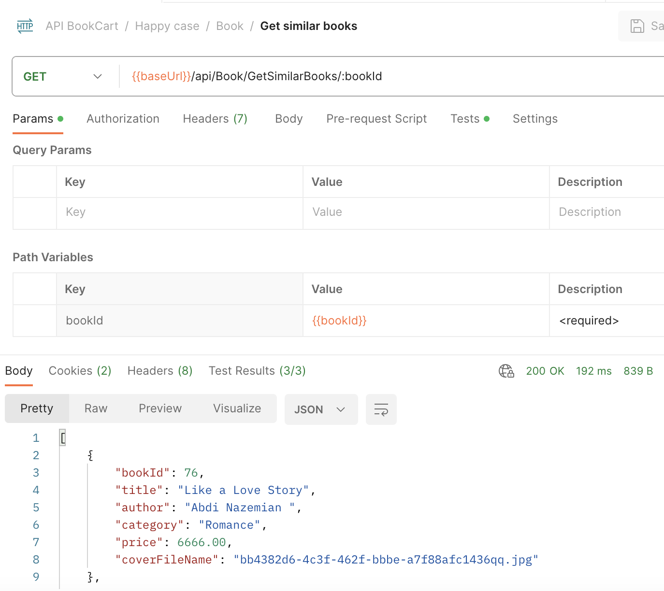 | PASS
TC_Book_005 | Getting book information unsuccessfully | Verify get the specific book with invalid BookID |  | Get | {{baseUrl}}/api/Book/:id | Send a GET request to the API endpoint with provided params | Path params: BookID = 100 | Status code: 404 Not Found | 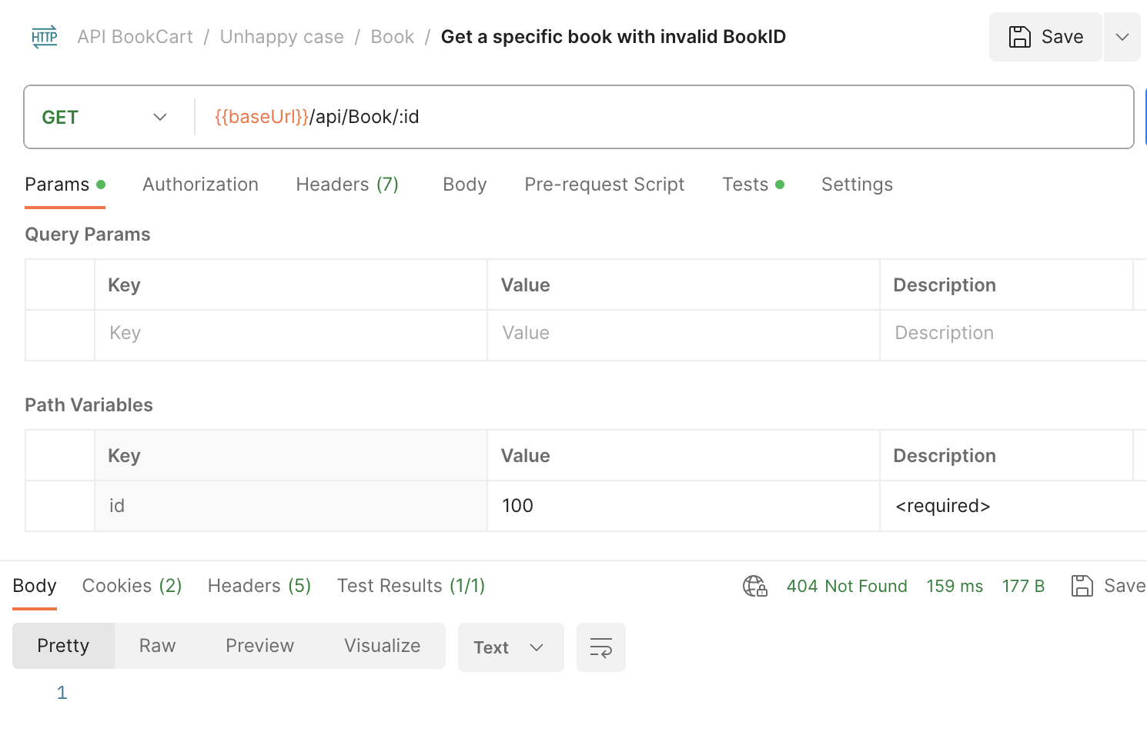 | PASS

Wish List
ID | Test Description | Pre-Condition | Endpoint | Method | Test Data | Action | Expected Results | Actual Resuts | Status
WS-01 | Verify that the API correctly retrieves the list of items in a user's wishlist. | User logged in | /api/Wishlist/{userId} | GET | userId: 21983 | Send a GET request to the API endpoint | Status code : 200 OK The response body shoul contains { "bookId": 0, "title": "string", "author": "string", "category": "string", "price": 0, "coverFileName": "string" } ] |  | PASS
WS-02 | Verify the API's behavior when an invalid or non-existent user ID is used to retrieve wishlist items. | User logged in | /api/Wishlist/{userId} | GET | userId: 100 | Send a GET request to the API endpoint | Status code : 401 Unauthorized | 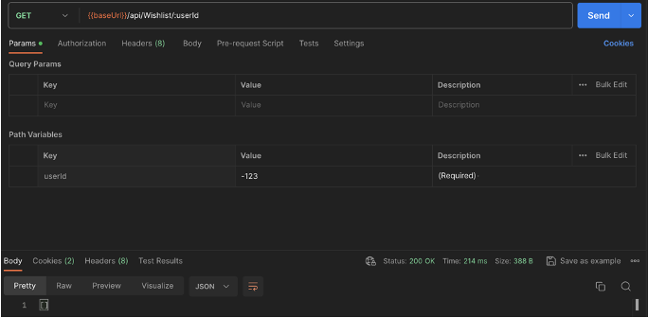 | FAIL
WS-03 | Verify the API's behavior when the user's wishlist is empty. | User logged in | /api/Wishlist/{userId} | GET | userId: 22168 | Send a GET request to the API endpoint | Status code : 200 OK | 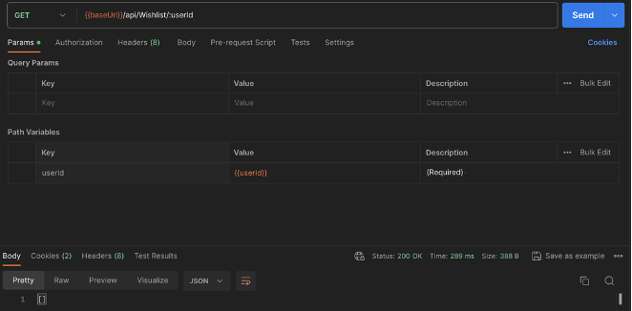 | PASS
WS-04 | Verify that the API correctly clears a user's wishlist. | User logged in | /api/Wishlist/{userId} | DELETE | userId: 21983 | Send a DELETE request to the API endpoint | Status code : 200 OK | 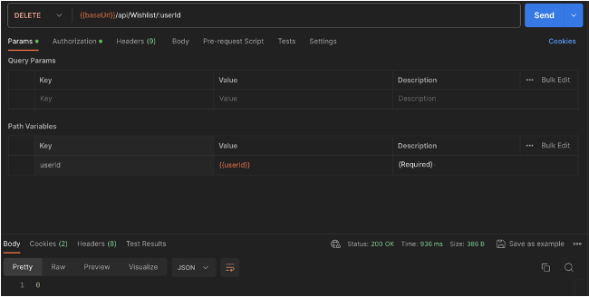 | PASS
WS-05 | Verify the API's behavior when an invalid or non-existent user ID is used to clear the wishlist. | User logged in | /api/Wishlist/{userId} | DELETE | userId: -123 | Send a DELETE request to the API endpoint | Status code : 401 Unauthorized | 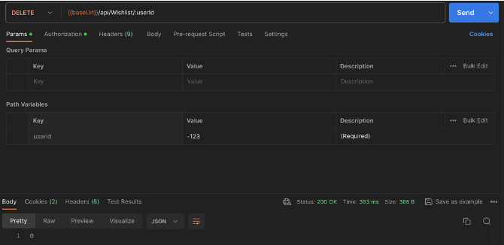 | FAIL
WS-06 | Verify the API's behavior when the user's wishlist is already empty. | User logged in | /api/Wishlist/{userId} | DELETE | userId: 22168 | Send a DELETE request to the API endpoint | Status code : 200 OK |  | PASS
WS-07 | Verify that the API correctly toggles items in a user's wishlist (add if not exists, remove if exists). | User logged in | /api/Wishlist/ToggleWishlist/{userId}/{bookId} | POST | userId: 21983 bookId : 2 | Send a POST request to the API endpoint | Status code : 200 OK The response body shoul contains { "bookId": 0, "title": "string", "author": "string", "category": "string", "price": 0, "coverFileName": "string" } ] |  | PASS
WS-08 | Verify the API's behavior when an invalid or non-existent user ID is used to toggle wishlist items. | User logged in | /api/Wishlist/ToggleWishlist/{userId}/{bookId} | POST | userId: -123 BookID: 2 | Send a POST request to the API endpoint | Status code : 401 Unauthorized | 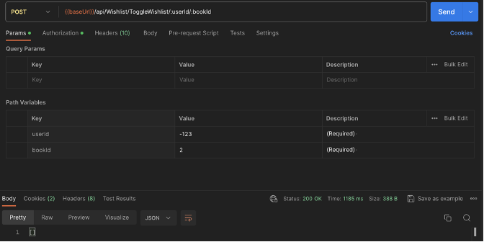 | FAIL

Shopping Cart
ID | Test Description | Pre-Condition | Endpoint | Method | Test Data | Action | Expected Results | Actual Resuts | Status
SC-01 | To validate that the API retrieves the list of items in a specific user's shopping cart accurately. | User logged in | /api/ShoppingCart/{userId} | GET | userId: 21983 | Send a GET request to the API endpoint | Status code : 200 OK [ { "book": { "bookId": 0, "title": "string", "author": "string", "category": "string", "price": 0, "coverFileName": "string" }, "quantity": 0 } ] | 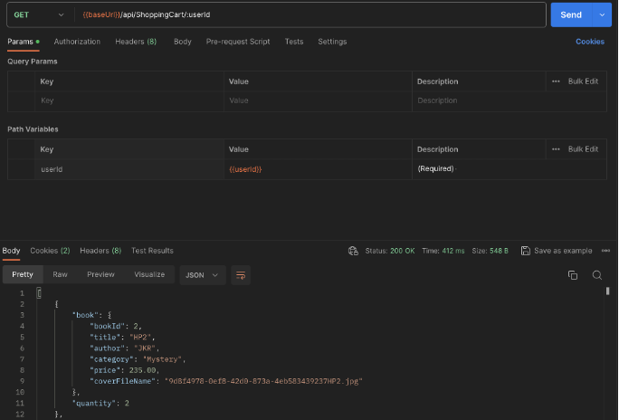 | PASS
SC-02 | To validate the API's behavior for a user with an empty shopping cart. | User logged in | /api/ShoppingCart/{userId} | GET | userId: 22168 | Send a GET request to the API endpoint | Status code : 200 OK | 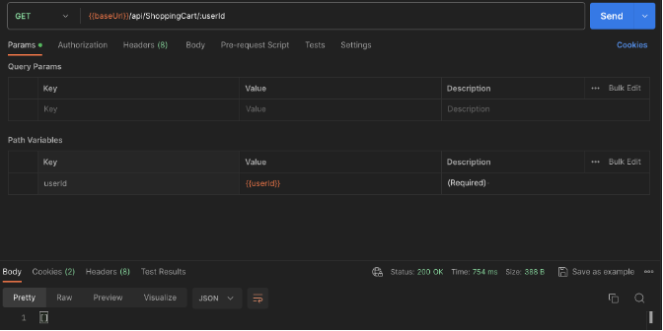 | PASS
SC-03 | To verify the API's response when an invalid or non-existent user ID is used. | User logged in | /api/ShoppingCart/{userId} | GET | userID: 999999999 | Send a GET request to the API endpoint | Status code : 401 Unauthorized | 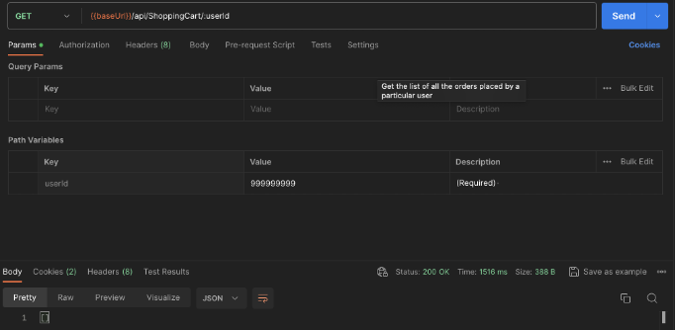 | FAIL
SC-04 | To verify that the API correctly clears all items from a specific user's shopping cart. | User logged in | /api/ShoppingCart/{userId} | DELETE | userId: 21983 | Send a DELETE request to the API endpoint | Status code : 200 OK | 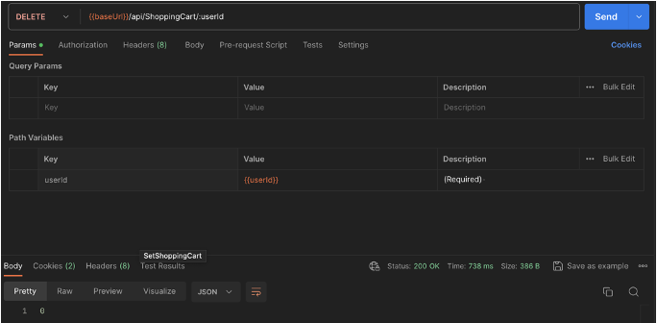 | PASS
SC-05 | To verify the API's behavior when attempting to clear the shopping cart with an invalid or non-existent user ID. | User logged in | /api/ShoppingCart/{userId} | DELETE | userID: 123456789 | Send a DELETE request to the API endpoint | Status code : 401 Unauthorized |  | FAIL
SC-06 | To validate the API's response when attempting to clear an already empty shopping cart. | User logged in | /api/ShoppingCart/{userId} | DELETE | userId: 22168 | Send a DELETE request to the API endpoint | Status code : 200 OK |  | PASS
SC-07 | To verify that the API correctly adds an item to a user's shopping cart and increases the item's quantity if it already exists in the cart. | User logged in | /api/ShoppingCart/AddToCart/{userId}/{bookId} | POST | userId: 21983 BookID: 2 | Send a POST request to the API endpoint | Status code : 200 OK | 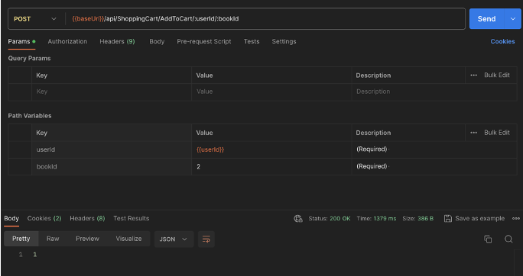 | PASS
SC-08 | To verify the API's behavior when an invalid or non-existent user ID is used to add an item to the cart. | User logged in | /api/ShoppingCart/AddToCart/{userId}/{bookId} | POST | userID: -123 BookID: 2 | Send a POST request to the API endpoint | Status code : 401 Unauthorized | 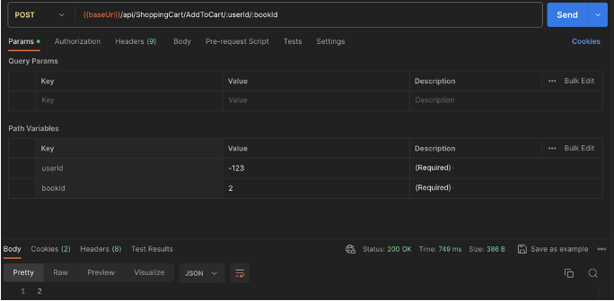 | FAIL
SC-09 | To verify the API's response when attempting to add an item with an invalid or non-existent book ID to the cart. | User logged in | /api/ShoppingCart/AddToCart/{userId}/{bookId} | POST | userId: 21983 BookID: 100 | Send a POST request to the API endpoint | Satus code: 400 Bad Request | 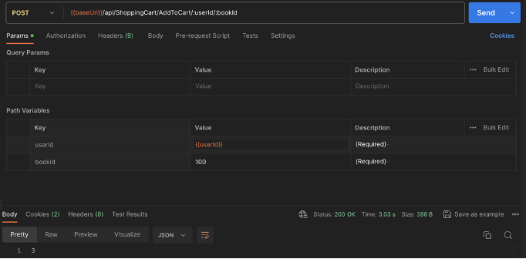 | FAIL
SC-10 | To verify if the API correctly increments the quantity of an item that already exists in the shopping cart. | User logged in | /api/ShoppingCart/AddToCart/{userId}/{bookId} | POST | userId: 21983 BookID: 2 | Send a POST request to the API endpoint | Status code : 200 OK | 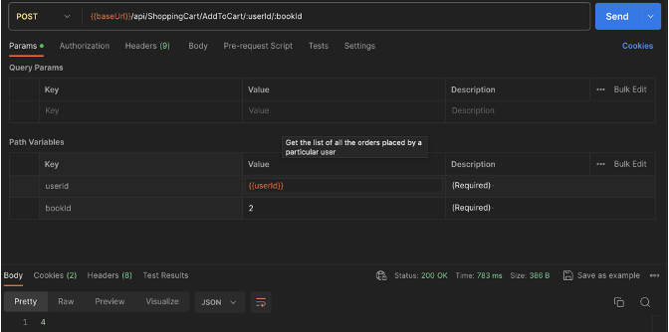 | PASS
SC-11 | To verify that the API correctly reduces the quantity of a specified item in a user's shopping cart by one. | User logged in | /api/ShoppingCart/{userId}/{bookId} | PUT | userId: 21983 BookID: 2 | Send a PUT request to the API endpoint | Status code : 200 OK | 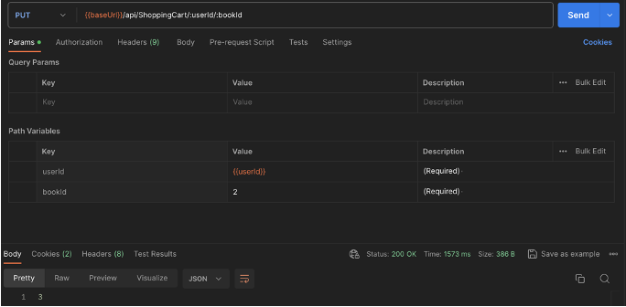 | PASS
SC-12 | To verify the API's behavior when an invalid or non-existent user ID is used to reduce the quantity of an item in the cart. | User logged in | /api/ShoppingCart/{userId}/{bookId} | PUT | userId: -100 BookID: 2 | Send a PUT request to the API endpoint | Status code : 401 Unauthorized |  | FAIL
SC-13 | To verify the API's response when attempting to reduce the quantity of an item with an invalid or non-existent book ID in the cart. | User logged in | /api/ShoppingCart/{userId}/{bookId} | PUT | userId: 21983 BookID: 100 | Send a PUT request to the API endpoint | Satus code: 400 Bad Request | 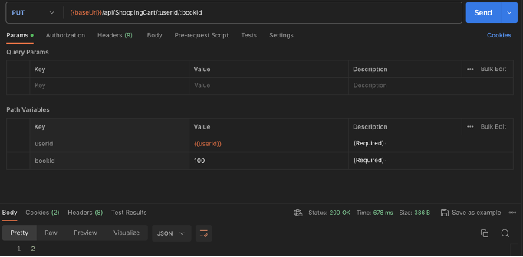 | FAIL
SC-14 | To verify the API's behavior when attempting to reduce the quantity of an item that is not present in the user's shopping cart. | User logged in | /api/ShoppingCart/{userId}/{bookId} | PUT | userId: 21983 BookID: 3 | Send a PUT request to the API endpoint | Status code : 200 OK | 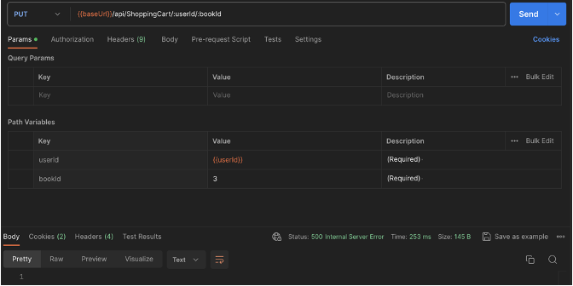 | FAIL
SC-15 | To verify that the API correctly deletes a single item from a user's shopping cart. | User logged in | ​/api​/ShoppingCart​/{userId}​/{bookId} | DELETE | userId: 21983 BookID: 2 | Send a DELETE request to the API endpoint | Status code : 200 OK | 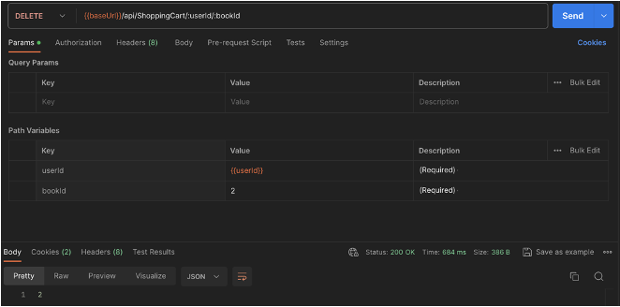 | PASS
SC-16 | To verify the API's behavior when an invalid or non-existent user ID is used to delete an item from the cart | User logged in | ​/api​/ShoppingCart​/{userId}​/{bookId} | DELETE | userId: -123 BookID: 3 | Send a DELETE request to the API endpoint | Status code : 401 Unauthorized |  | PASS
SC-17 | To verify the API's response when attempting to delete an item with an invalid or non-existent book ID from the cart. | User logged in | ​/api​/ShoppingCart​/{userId}​/{bookId} | DELETE | userId: 21983 BookID: 100 | Send a DELETE request to the API endpoint | Satus code: 400 Bad Request | 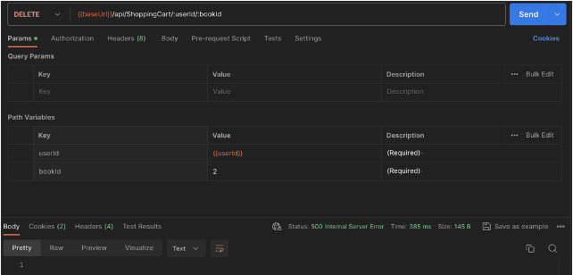 | PASS

My Orders
ID | Test Description | Pre-Condition | Endpoint | Method | Test Data | Action | Expected Results | Actual Resuts | Status
ORD-01 | To verify that the API correctly retrieves all orders placed by a specific user. | User logged in | /api/Order/{userId} | GET | userId: 21983 | Send a GET request to the API endpoint | Status code : 200 OK | 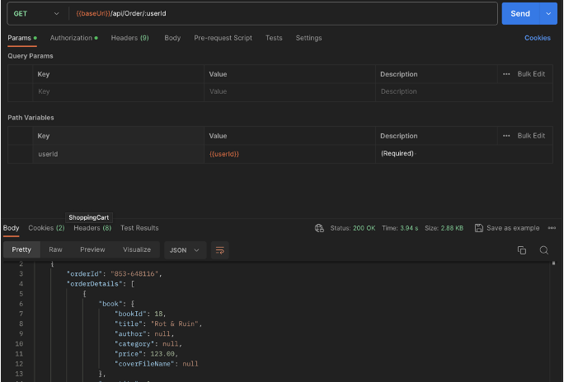 | PASS
ORD-02 | To verify the response of the API when an invalid or non-existent user ID is used. | N/A | /api/Order/{userId} | GET | userId: 100 | Send a GET request to the API endpoint | Status code : 401 Unauthorized |  | PASS
ORD-03 | To verify the API's response for a user who has not placed any orders. | User logged in | /api/Order/{userId} | GET | userID: 22168 | Send a GET request to the API endpoint | Status code : 200 OK | 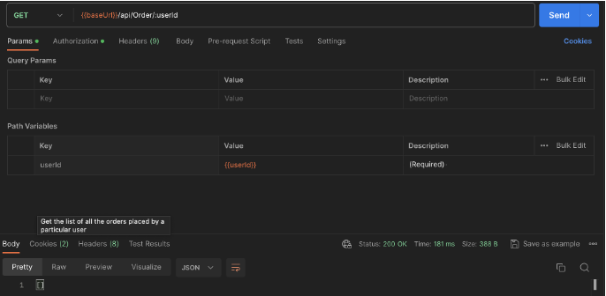 | PASS

